to include
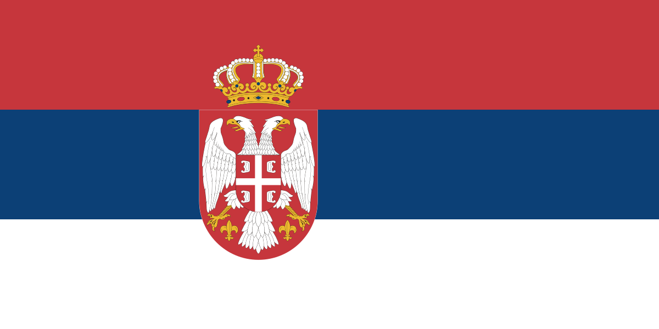
Country | Austria | Hungary | Kosovo | North Macedonia | Serbia | Slovakia
Population (2020) | 8.9 million | 9.7 million | 1.8 million | 2.1 million | 6.9 million | 5.4 million
GNI Per Capita (2020) | $48,350 | $15,890 | $4,480 | $5,750 | $7,420 | $18,920
Life Expectancy (2019) | 82 | 76 | 72 | 76 | 76 | 77
Currency | Euro | Forint | Euro | Macedonian Denar | Serbian Dinar | Euro
Languages | German | Hungarian | Albanian | Macedonian, Albanian | Serbian | Slovak
Religion | 56% Catholic 23% Irreligious 9% Orthodox 8% Muslim | 62% Catholic 20% Irreligious 5% Protestant | 88% Muslim 6% Catholic 3% Orthodox | 70% Orthodox 29% Muslim | 85% Orthodox 5% Catholic 3% Muslim | 60% Catholic 24% Irreligious 8% Protestant

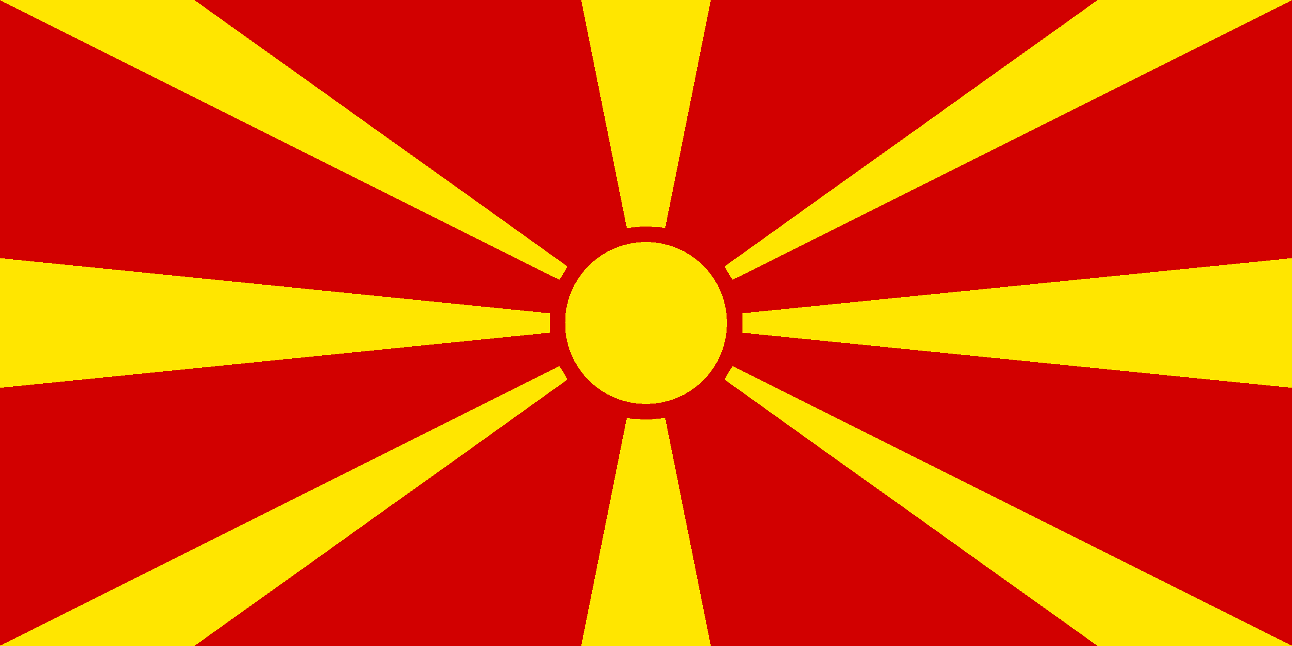
 |  |  |  |  |  |  | Country | Population (2020) | GNI Per Capita (2020) | Life Expectancy (2019) | Currency | Main Language(s) | Religion(s)
 |  |  |  |  |  |  | North Macedonia | 2.1 million | $5,750 | 76 | Macedonian Denar | Macedonian Albanian | 70% Orthodox 29% Muslim

Sources:
Population | https://data.worldbank.org/indicator/SP.POP.TOTL?locations=AT-HU-RS-XK-MK-SK
Life Expectancy | https://data.worldbank.org/indicator/SP.DYN.LE00.IN?locations=AT-HU-RS-XK-MK-SK
GNI Per Capita | https://data.worldbank.org/indicator/NY.GNP.PCAP.CD?locations=AT-HU-RS-XK-MK-SK
Religion | Wikipedia

 |  |  |  |  |  |  | Country | Population (2020) | GNI Per Capita (2020) | Life Expectancy (2019) | Currency | Main Language(s) | Religion(s)
 |  |  |  |  |  |  | Kosovo | 1.8 million | $4,480 | 72 | Euro | Albanian | 88% Muslim 6% Catholic 3% Orthodox
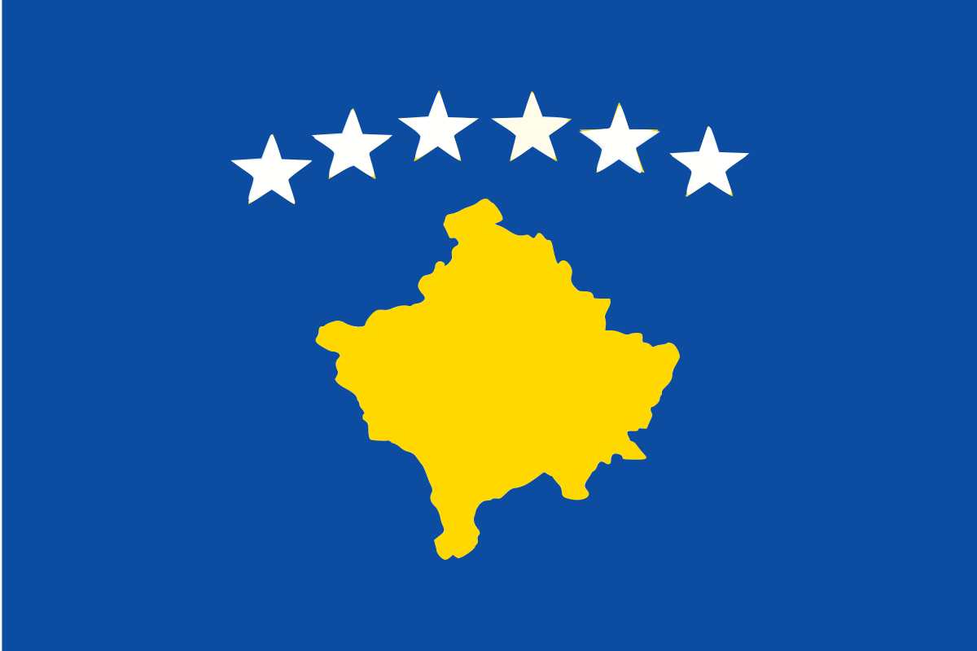

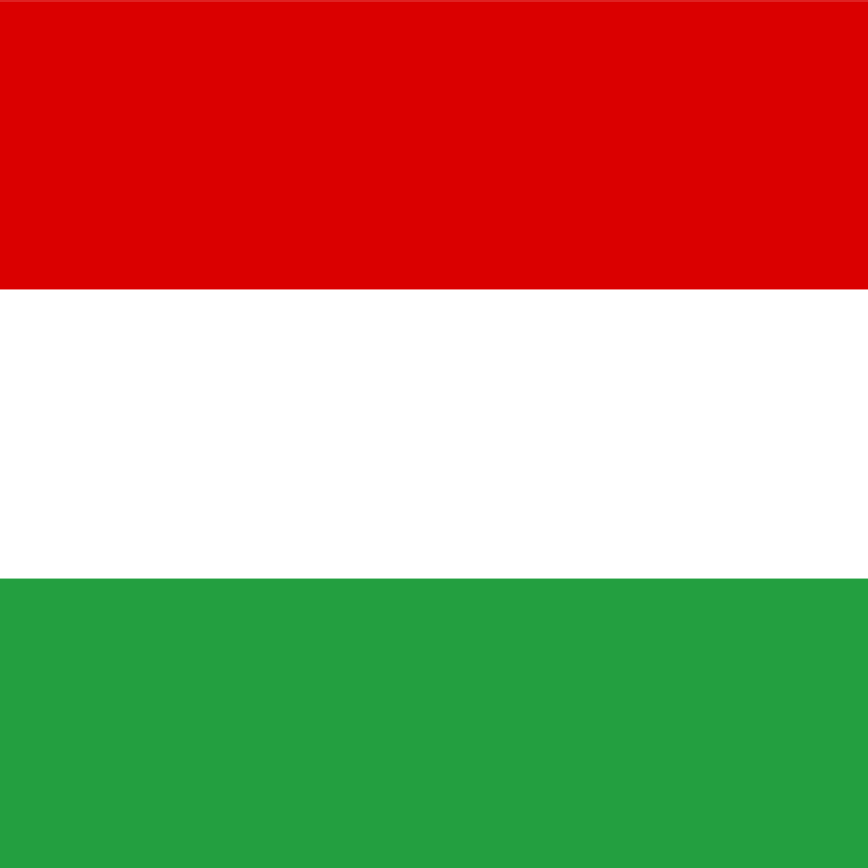
 |  |  |  |  |  |  | Country | Population (2020) | GNI Per Capita (2020) | Life Expectancy (2019) | Currency | Main Language(s) | Religion(s)
 |  |  |  |  |  |  | Hungary | 9.7 million | $15,890 | 76 | Forint | Hungarian | 62% Catholic 20% Irreligious 5% Protestant

 |  |  |  |  |  |  | Country | Population (2020) | GNI Per Capita (2020) | Life Expectancy (2019) | Currency | Main Language(s) | Religion(s)
 |  |  |  |  |  |  | Slovakia | 5.4 million | $18,920 | 77 | Euro | Slovak | 60% Catholic 24% Irreligious 8% Protestant
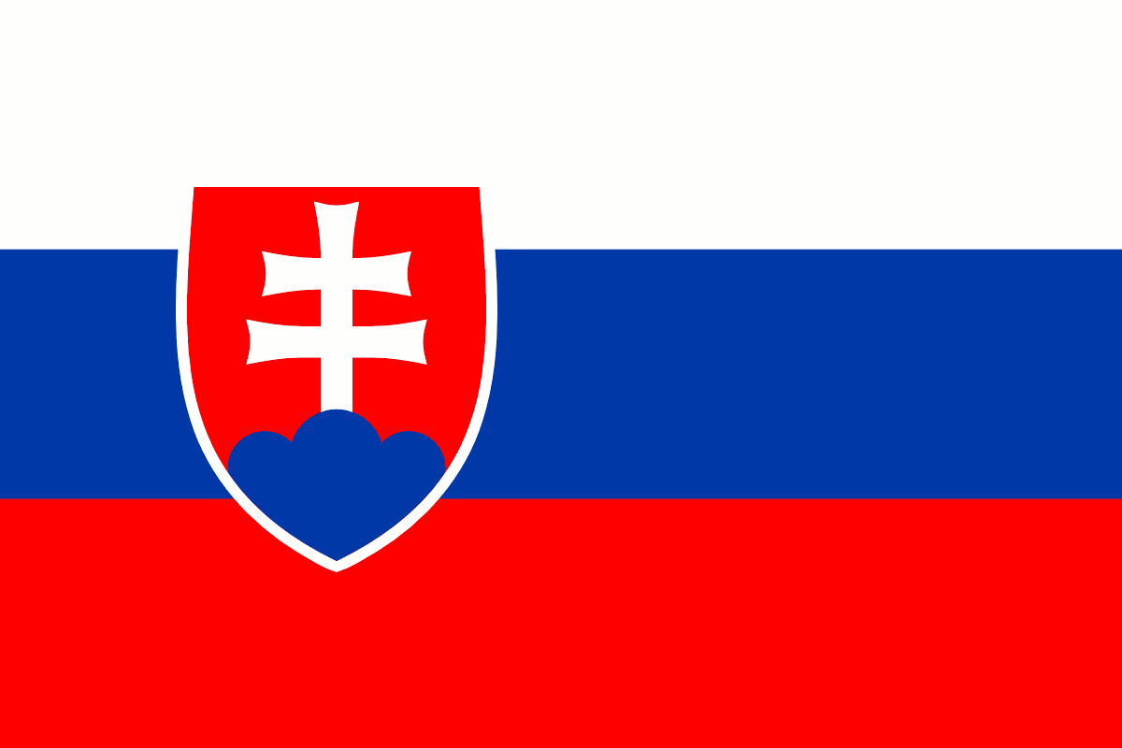

 |  |  |  |  |  |  | Country | Population (2020) | GNI Per Capita (2020) | Life Expectancy (2019) | Currency | Main Language(s) | Religion(s)
 |  |  |  |  |  |  | Austria | 8.9 million | $48,350 | 82 | Euro | German | 56% Catholic 23% Irreligious 9% Orthodox 8% Muslim
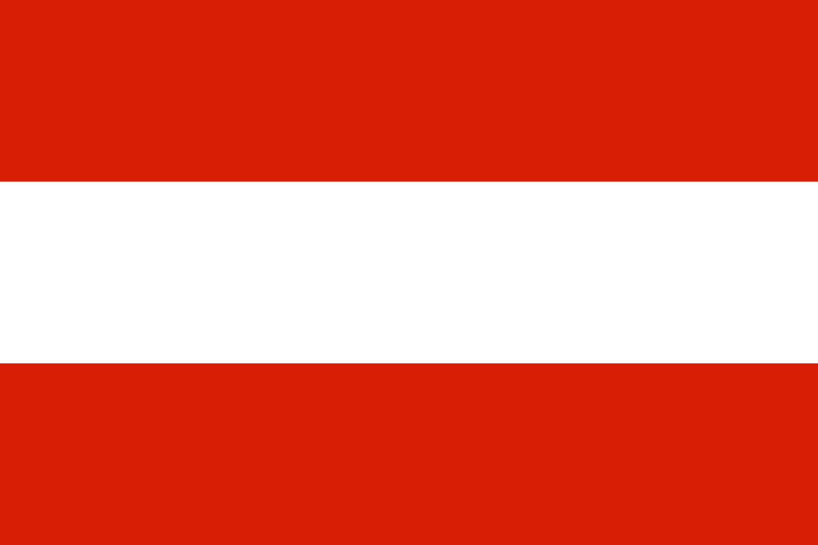

 |  |  |  |  |  |  | Country | Population (2020) | GNI Per Capita (2020) | Life Expectancy (2019) | Currency | Main Language(s) | Religion(s)
 |  |  |  |  |  |  | Serbia | 6.9 million | $7,420 | 76 | Serbian Dinar | Serbian | 85% Orthodox 5% Catholic 3% Muslim

pics
